1. Title Page
Sales Analysis

Project Name: Instacart Grocery Basket Analysis
Date: July 5, 2022
Analyst Name: Lizann McClure

Contents:
Population Flow
Consistency checks
Wrangling steps
Column derivations
Visualizations
Recommendations

Data Source
“The Instacart Online Grocery Shopping Dataset 2017”, Accessed from https://www.instacart.com/datasets/grocery-shopping-2017 on July 5, 2022

2. Population Flow
Title page

Population flow

Exclusion flag
Condition: max_order <
Obervations to be removed:
Final total count of order_products_all:

Orders_products_combined
Orders_products_merged
Orders_products_all

Total: 32,404,859
Total: 32,434,489
Total: 30,964,564

3. Consistency checks
 |  |  |  | Title page
Consistency checks

Dataset | Missing values | Missing values treatment | Duplicates
orders | (206209) days since prior ordered | assumed to be first time customers and kept in the data with a 'New Customer' flag | N/A
products | (16) product names | removed missing values from the data set | (5) duplicate rows - removed
orders_products_prior
customers | (11259) First Name | nothing - not required for analysis | N/A
products | (5127) prices | removed pricing over $100 as some were unrealistic

4. Wrangling steps
 |  |  |  | Title page
Wrangling steps

Columns dropped | Columns renamed | Columns' type changed | Comment/Reason
eval_set from orders |  |  | Not relevant to the analysis
 | order_dow | orders_day_of_week | For clarity
 | order_hour_of_day | order_time | For slimpicity
First Name |  |  | For Privacy concerns
Surnam |  |  | For Privacy concerns

5. Column derivations
 |  |  |  | Title page

Column derivations and aggregations

Dataset | New column | Column/s it was derived from | Conditions
Orders | new_customer | days since prior order | value = NaN
Orders & Products | loyalty_flag | max_order | Loyal Customer orders > 40, Regular Customer orders <= 40, New Customer order < 10
Orders & Products | spend_type | avg_spend | Low Spender avg spend < 10, High Spender avg spend >= 10
Orders & Products | frequency_flag | median_order_frequency | Non-Frequent Customer orders > 20, Regular Customer orders > 10 & <= 20, Frequent Customer orders <= 10
Orders, Products & Custsomers | Region | State | Grouped states by West, South, Midwest, Northeast
Orders, Products & Custsomers | activity_flag | max_order | Low Activity orders < 5, High Activity order >=5
Orders, Products & Custsomers | income_profile | income | Low Income: income < 42000, Middle Income: income between 42000 and 126000, High Income: income > 126000
Orders, Products & Custsomers | life_profile | fam_status, age, n_dependants | Single Adults with out kids: fam_status = single, age > 18, n_dependents = 0 Young Parents: age 18 - 35, n_dependents > 0 Middle Aged: age 40 to 65 Seniors: age >= 65
Orders & Products | price_range | prices | Low Range Product prices <=5, Mid Range Product price >5 & <= 15, High Range price > 15
Orders & Products | Busiest_Day | orders_day_of_week | Based on frequency, Busiest Day = Saturday, Least Busy Day = Tuesday, everything else is Regular Busy Day
Orders & Products | Busiest_Hours | order_time | Most Orders (10,11,14,15,13,12,16,9), Fewest Orders (23,6,0,1,5,2,4,3)

6. Visualizations
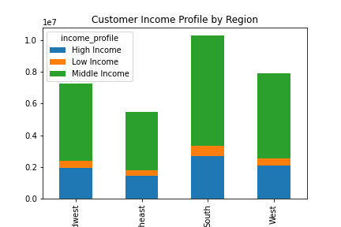
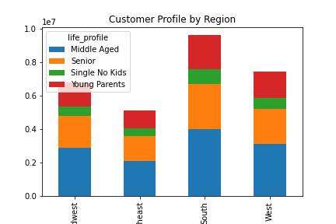
 |  |  |  |  |  |  | Title page

Visualisations

Figure 1.
Count of Orders on each day of the week. |  |  |  | Figure 2.
Result: Saturday is the busiest day and Tuessday is the least busy. |  |  |  | Histogram showing the distribution of order times
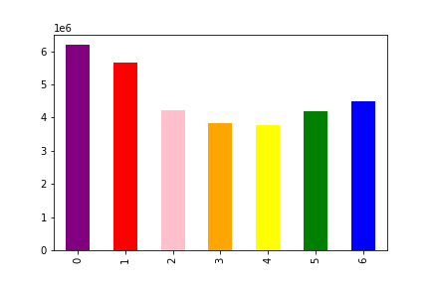
 |  |  |  | Result: 10am is the busiest and 11pm is the least busy.
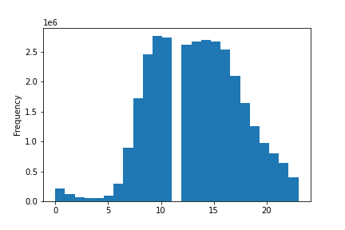

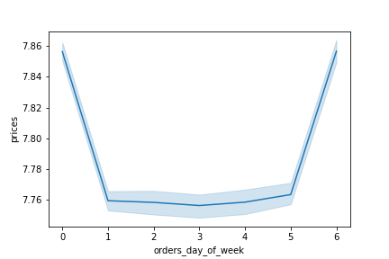
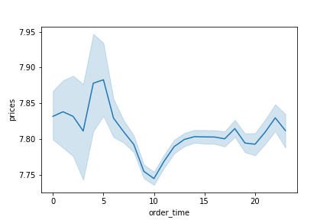
Figure 3. |  |  |  | Figure 4.
Line Graph showing what day of the week higher prices are spent |  |  |  | Line Graph showing what time higher prices are spent
Result: Saturday and Friday |  |  |  | Result: 5am

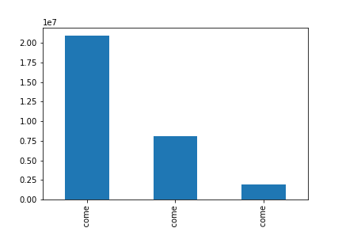
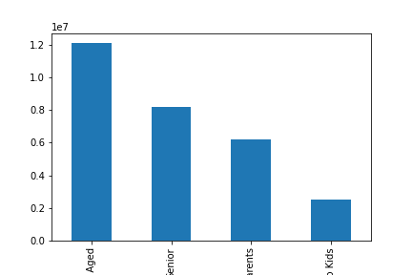
Figure 5. |  |  |  | Figure 6.
Bar Chart showing the number of customers in each income profile |  |  |  | Bar Chart showing the number of customes in each life stage profile
Result: Most customers are Middle Income, follwed by High Income and the least in Low Income |  |  |  | Result: Most customers are Middle Aged and the least are Single Adults with no kids

Figure 7. |  |  | Figure 8.
life_profile | High Spender | Low Spender | life_profile | Loyal Customer | New Customer | Regular Customer
Middle Aged | 245,675 | 11,858,235 | Middle Aged | 4,040,749 | 1,887,302 | 6,175,859
Senior | 156,886 | 8,038,658 | Senior | 2,723,958 | 1,276,659 | 4,194,927
Single No Kids | 42,903 | 2,498,417 | Single No Kids | 835,522 | 403,156 | 1,302,642
Young Parents | 115,979 | 6,062,758 | Young Parents | 2,043,286 | 949,978 | 3,185,473

Figure 9. |  |  | Figure 10.
income_profile | High Spender | Low Spender | income_profile | Loyal Customer | New Customer | Regular Customer
High Income | 456,910 | 7,651,293 | High Income | 2,691,977 | 1,227,815 | 4,188,411
Low Income | 7 | 1,922,662 | Low Income | 585,655 | 363,150 | 973,864
Middle Income | 146,508 | 20,787,184 | Middle Income | 7,006,461 | 3,212,730 | 10,714,501

Figure 11.
Bar Chart showing department order freqency by income profile
Result: Produce has the most orders across all income levels
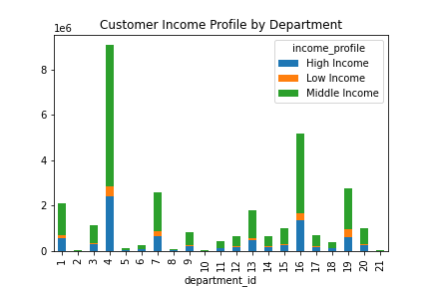

 |  |  | Figure 12.
 |  |  | Region | High Spender | Low Spender
 |  |  | Midwest | 155,975 | 7,441,350
 |  |  | Northeast | 108,225 | 5,614,511
 |  |  | South | 209,691 | 10,582,194
 |  |  | West | 160,354 | 8,132,559

 |  |  | Figure 13.
 |  |  | Region | Loyal Customer | New Customer | Regular Customer
 |  |  | Midwest | 2,373,774 | 1,136,761 | 3,750,978
 |  |  | Northeast | 1,841,785 | 842,156 | 2,780,744
 |  |  | South | 3,405,844 | 1,593,664 | 5,311,631
 |  |  | West | 2,662,690 | 1,231,114 | 4,033,423

Regional break down of customer profiles.

7. Recommendations
 |  | Title page

Recommendations

Question | Answer
What are the busiest days of the week and busiest hours? | The sales team would like to run ads at the least busy day and time, which be Tuesdays at 11pm. Refernce Figures 1 & 2 in Visualizations.
What time of day to people spend the most money? | People spend the most money early in the morning at 5am and the least around 10am. Reference Figure 4 in Visualizations.
Are there certain types of products that are more popular than others? | Department # 4, Produce has the highest frequency of orders. Reference Figure 11 in Visualizations
What's the distribution amoung users in regards to their brand loyalty? | Higher income and Young Parents order most frequently at 9.93 and 9.86 days between orders.
Are there differences in ordering habits based on a customers loyalty status? | The middle aged group and middle income are the most loyal customers, and a majority fall into the low spender profile. Reference Figures 7 - 10 in Visualizations.
Are there differences in ordering habits based on a customer's region? | A majority of customers across all regions are Regular Customers and Low Spenders. The South has the most Loyal Customers, but this is due to the large population in this region. Reference figures 12 and 13 in visualizations.
Is there a connection between age and family status in terms of ordering habits? | Single people are spending less and less frequently than those with childern and/or in the Middle Aged profile.
What different classifications does the demographic information suggest? | The middle aged and middle income are already buying the most from Instacart. Marketing campaigns dirtected to Single Adults and Young parents could help drive to increase their ordering habits

